Sheet1
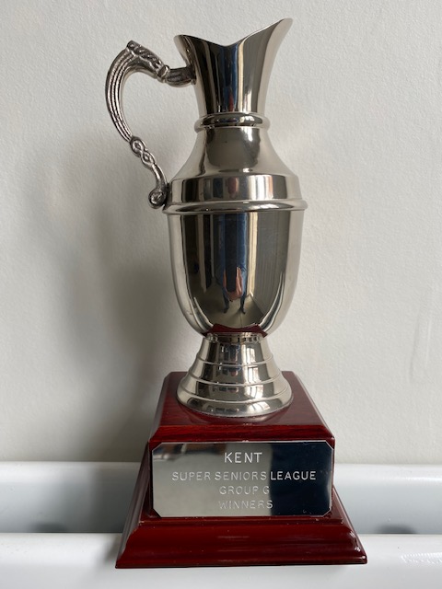
 |  | Kent Golf Super Seniors League (Group G) 2022

 | space for |  | 27-Sep-22 |  | Played |  | Home |  |  | Away
 | photo of |  |  |  | Home | Away | Won | Drawn | Lost | Won | Drawn | Lost | Pts
 | Group |  | Cherry Lodge 3-16 pts) |  | 4 | 4 | 4 | 0 | 0 | 2 | 0 | 2 | 20
 | Trophy |  | Royal Blackheath (1-20 pts) |  | 3 | 4 | 3 | 0 | 0 | 1 | 0 | 3 | 13
 |  |  | Chislehurst (2-18 pts) |  | 3 | 3 | 2 | 1 | 0 | 1 | 1 | 1 | 13
 |  |  | Langley Park (4-9 pts) |  | 4 | 3 | 2 | 1 | 1 | 1 | 0 | 2 | 11
 |  |  | West Kent (5-1 pt) |  | 4 | 4 | 0 | 0 | 4 | 0 | 1 | 3 | 2

 |  |  | Points are awarded for Matches - Won Away (4) Home (3) - Drawn Away (2) Home (1)

Kent Golf Super Seniors League – Group G– Fixtures and Results 2022
Date | Home Club |  | Result | Away Club |  | Date | Home Club |  |  | Result | Away Club |  |  | 5-0
2022-04-25 | West Kent |  | 2-3 | Langley Park |  | 2022-06-28 | Chislehurst |  |  | 4-1 | Royal Blackheath |  |  | 4½-½
2022-04-28 | Chislehurst |  | 4-1 | Cherry Lodge |  | 2022-07-06 | Royal Blackheath |  |  | 3½-1½ | Cherry Lodge |  |  | 4-1
2022-05-05 | Langley Park |  | 2-3 | Cherry Lodge |  | 2022-07-07 | Langley Park |  |  | 3-2 | West Kent |  |  | 3½-1½
2022-05-10 | Royal Blackheath |  | 5-0 | West Kent |  | 2022-07-28 | West Kent |  |  | 0-5 | Royal Blackheath |  |  | 3-2
2022-05-23 | Cherry Lodge |  | 5-0 | Royal Blackheath |  | 2022-08-11 | Langley Park |  |  | 3-2 | Royal Blackheath |  |  | 2½-2½
2022-05-24 | Chislehurst |  | 2½-2½ | West Kent |  | 2022-08-15 | Cherry Lodge |  |  | 5-0 | Langley Park |  |  | 2-3
2022-06-09 | West Kent |  | 2-3 | Chislehurst |  | 2022-08-31 | Langley Park |  |  | 2½-2½ | Chislehurst |  |  | 1½-3½
2022-06-13 | Cherry Lodge |  | 3-2 | Chislehurst |  | 2022-09-16 | Chislehurst |  |  | 2-3 | Langley Park |  |  | 1-4
2022-06-14 | Royal Blackheath |  | 5-0 | Langley Park |  | 2022-09-20 | Royal Blackheath |  |  | 3-2 | Chislehurst |  |  | ½-4½
2022-06-27 | Cherry Lodge |  | 5-0 | West Kent |  | 2022-09-26 | West Kent |  |  | 2-3 | Cherry Lodge |  |  | 0-5

 |  |  |  |  |  | 2022-10-06 | Group G Jamboree |  |  |  | Royal Blackheath
 |  |  |  |  |  | 2022-10-14 | Grand Final |  |  |  | Faversham
 |  |  |  |  |  | 2022-10-18 | Group G Annual Meeting |  |  |  | Langley Park

